Sheet1
country | category | country | AOI average (2008-2012) | Agricultural Orientation Index (AOI) of Government Expenditures in Agriculture
1 | Developing | Morocco | 0.018985 |  | Lowest 20 and Top 20 countries
2 | Developing | Central African Republic | 0.03292 |  | AOI (2008-2013 average)
3 | Developing | Liberia | 0.040945
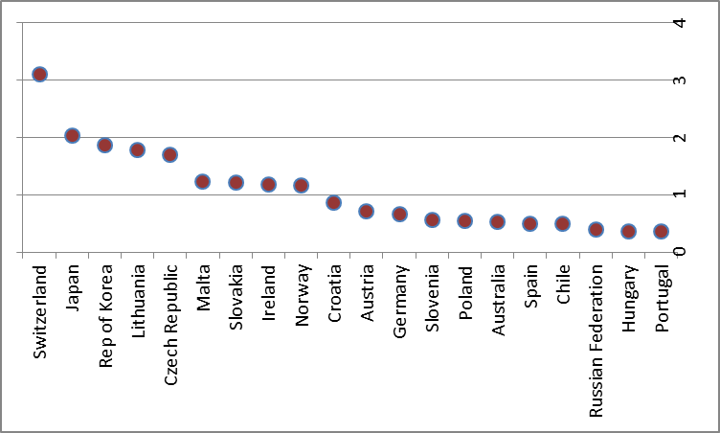
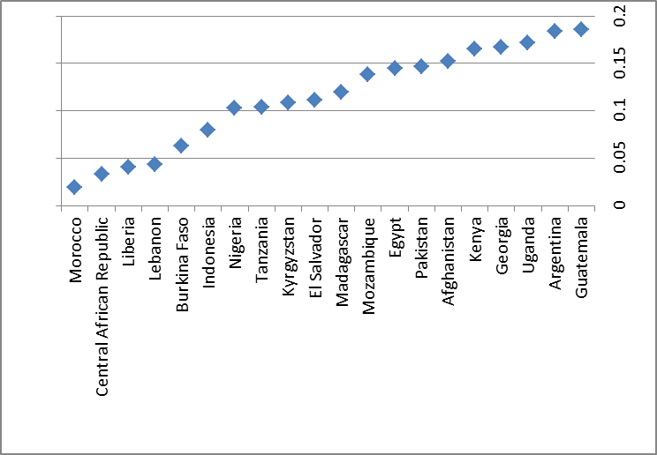
4 | Developing | Lebanon | 0.043878
5 | Developing | Burkina Faso | 0.063461
6 | Developing | Indonesia | 0.08001
7 | Developing | Nigeria | 0.102616
8 | Developing | Tanzania | 0.10418
9 | Developing | Kyrgyzstan | 0.10836
10 | Developing | El Salvador | 0.111515
11 | Developing | Madagascar | 0.119384
12 | Developing | Mozambique | 0.138257
13 | Developing | Egypt | 0.144727
14 | Developing | Pakistan | 0.146744
15 | Developing | Afghanistan | 0.152277
16 | Developing | Kenya | 0.165105
17 | Developing | Georgia | 0.166946
18 | Developing | Uganda | 0.171542
19 | Developing | Argentina | 0.18393
20 | Developing | Guatemala | 0.185446
21 | Developed | Switzerland | 3.09765
22 | Developed | Japan | 2.02527
23 | Developed | Rep of Korea | 1.85835
24 | Developed | Lithuania | 1.78086
25 | Developed | Czech Republic | 1.70474
26 | Developed | Malta | 1.23171
27 | Developed | Slovakia | 1.21958
28 | Developed | Ireland | 1.17955
29 | Developed | Norway | 1.1564
30 | Developed | Croatia | 0.858915
31 | Developed | Austria | 0.706549
32 | Developed | Germany | 0.655708
33 | Developed | Slovenia | 0.554066
34 | Developed | Poland | 0.543743
35 | Developed | Australia | 0.525868
36 | Developed | Spain | 0.503008
37 | Developed | Chile | 0.501571
38 | Developed | Russian Federation | 0.399457
39 | Developed | Hungary | 0.364928
40 | Developed | Portugal | 0.3624

